INVST-13287
https://orion-advisor.atlassian.net/browse/INVST-13287 |  | Developer - RP |  | QA - Gourav Singh

Test case | Expected Result | Actual Result | Status | Message | Developer's Remark | Bug Rating
Lowest Estimated Tax Depletion Method : Disable Tax Lot Depletion Method : Default

Security VOO (Taxlots are tagged ) - 0, 1, 3, 4, 5, 6, 7, 8, Null |  |  |  | rebalancer sell lowest estimate preference False if cost Basis set to average cost : sorting order: costBasisTaged lots, date Acquired, costPerShare DESC Market Value DESC if cost Basis not set to average cost : sorting order: depletion method order costPerShare DESC Market Value DESC lowest estimate preference True if cost Basis set to average cost : sorting order: costBasisTaged lots, date Acquired if cost Basis not set to average cost : sorting order : lowest tax

Security QUAL > taxlots tagged | Average Cost taxlots with Same Cost Per Share | Date.

Security BCOIX > partial taxlots tagged as Average Cost

Security IEFA > One taxlot tagged - 6 (Best Tax) > Price

Security JMUIX > Cost Per Share Desc. < Price

Security IVV > No Tags (All types of Taxlots ST to LT)

Review Firm 64700 > PID 43 > Rebalancer > Check traded Lots in Trade log file. Check Above Scenarios. | taxlots tagged as Average cost should be depleted first in FIFO order then trade created for remaining lots in order of depletion method on Cast Basis.
Security VOO (Taxlots are tagged ) - 0, 1, 3, 4, 5, 6, 7, 8, Null | Taxlots tagged with Average Cost should be depleted first then follow Depletion Method. | Working as Expected. | PASS | 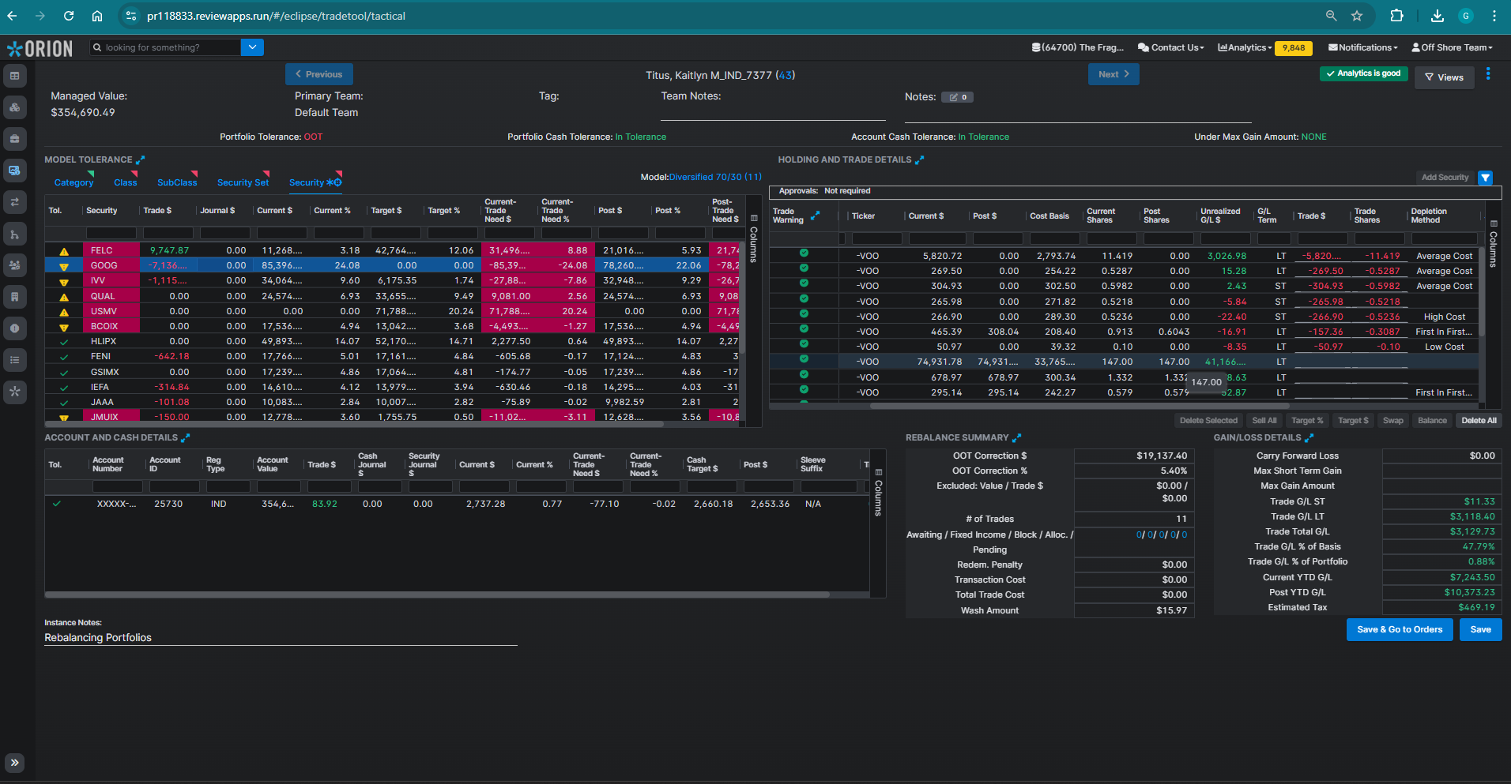
Security SCHM / IVV > No Tags (All types of Taxlots ST to LT) | Depletion Method order should be CostPerShare Desc Then MarketPrice. | Working as Expected. | PASS | 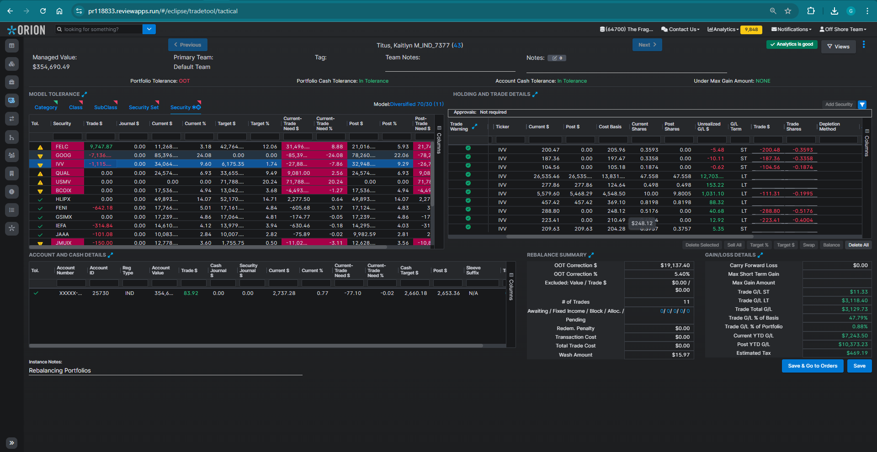
 |  | Working as Expected. | PASS | 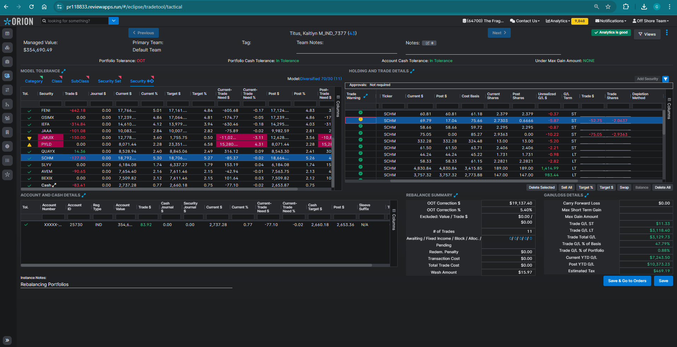
Security BCOIX > partial taxlots tagged as Average Cost |  |  |  | 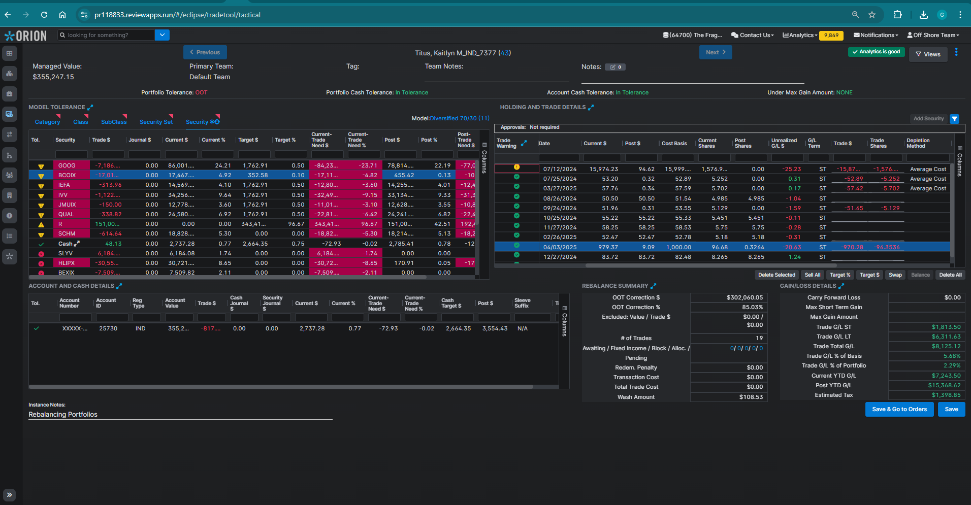
Security IEFA > One taxlot tagged - 6 (Best Tax) > Price |  | Working as Expected. | PASS | 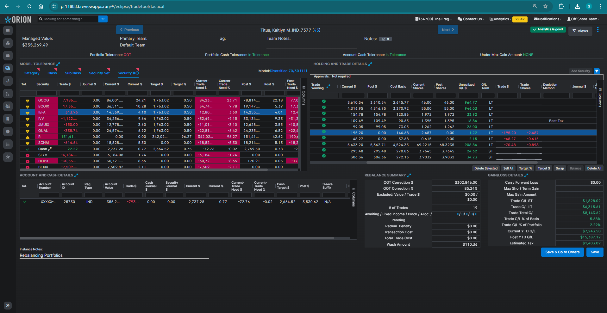
Security JMUIX > Cost Per Share Desc. < Price |  | Working as Expected. | PASS | 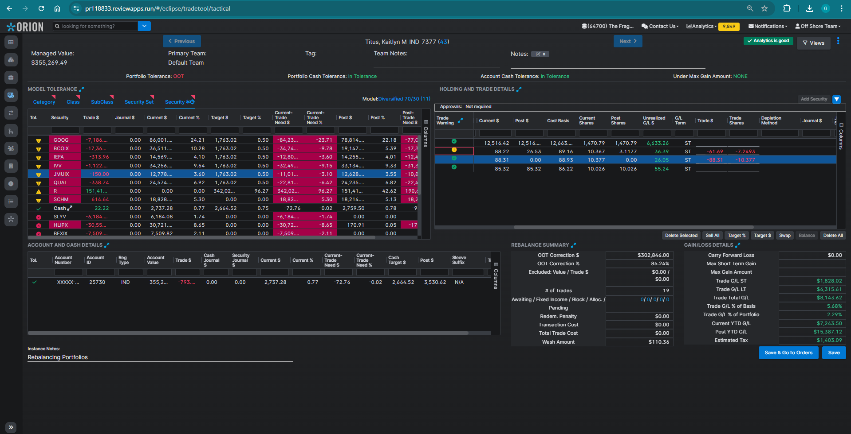
Security QUAL > taxlots tagged | Average Cost taxlots with Same Cost Per Share | Date. | Order depend on Market price. | Working as Expected. | PASS | 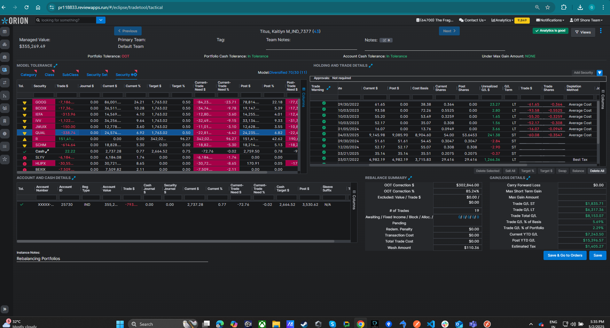

Raise Cash > Sell with Full Rebalance. | Check above Scenarios. | Working as Expected. | PASS
Spend Cash. |  | Working as Expected. | PASS
Global trades. |  | Working as Expected. | PASS

Tactical tool | Consider Date Acquired (BUG) when selling Lots of Same term. | Working as Expected. | PASS

Edit from Order grid. |  | Working as Expected. | PASS

Quick trade |  | Working as Expected. | PASS
Quick trade Import |  | Working as Expected. | PASS

Lowest Estimated Tax Depletion Method : Enabled Portfolio Ordinary Income Tax = 25 Portfolio Long Term Capital Gain Tax = 15
Firm 64700 > PID 43 > Rebalancer > Check traded Lots in Trade log file. Check Above Scenarios. | taxlots tagged as Average cost should be depleted first in FIFO order then trade created for remaining lots in order of lowest estimated tax | Working as Expected. | PASS

Edit from order grid | taxlots tagged as Average cost should be depleted first in FIFO order then trade created for remaining lots in order of lowest estimated tax | Working as Expected. | PASS

